Sheet1
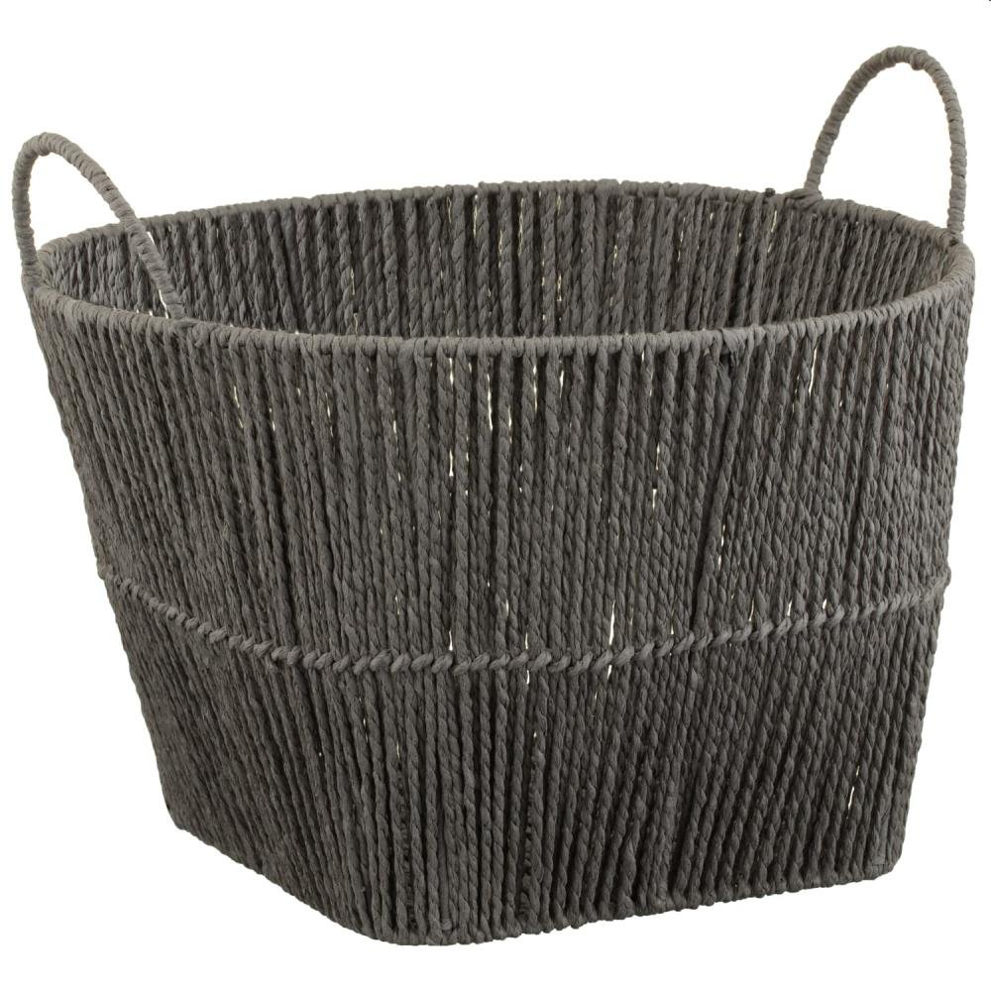
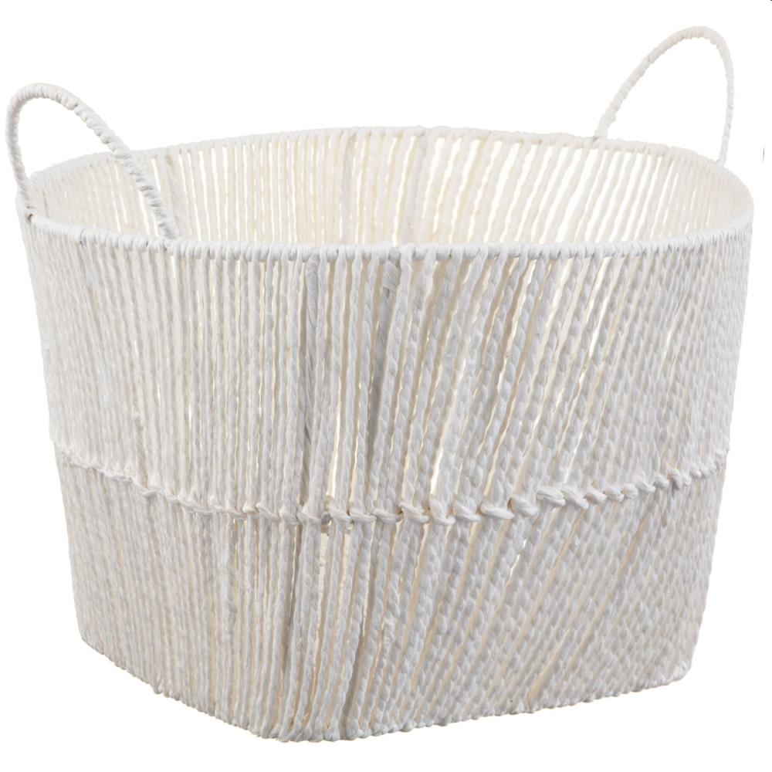
Picture | Item code | Description | Extra information | Restriction | Stock | Sales price EXW | Retail price | Barcode | Quantity PU | Quantity pallet | Pallet | Origin | Customs code | Item weight | Languages on package | Group
 | 21205 | Arras Storage Basket, Grey | 374375 |  | 8248 | 2.99 | 7.99 | 1000037437502 | 8 | 128 | Blokpallet 120x100 | CN | 9405204000 | 720 | EN | Arras Storage Basket
 | 21204 | Arras Storage Basket, White | 374421 |  | 7988 | 2.99 | 7.99 | 1000037442100 | 8 | 96 | Blokpallet 120x100 | CN | 9405204000 | 720 | uk | Arras Storage Basket

